RT(Q)636x_design tool
RT(Q)636x
The RT636x series are high-efficiency, peak current mode control asynchronous step-down converter which operates with input voltages from 4V to 60V.

Please select the part number | RT(Q)6363 |  | RT(Q)6360: 0.5A RT(Q)6361: 1.5A RT(Q)6362: 2.5A RT(Q)6363: 3.5A RT(Q)6365: 5A

Power supply design requirements
Nominal input voltage, Vin_nominal | 48 | V
Maximum input voltage, Vin_max | 60 | V | maximum input voltage needs to be smaller than the device maximum voltage
Minimum input voltage, Vin_min | 10 | V | minimum input voltage needs to be greater than the device minimum voltage
Output voltage, Vout | 5 | V
Nominal output current, Iout | 3 | A
Desired startup input voltage (enable start-up level) | 8 | V
Desired shut-down input voltage (enable shut-down level) | 6 | V
peak-to-peak output ripple (%) | 1 | %
peak-to-peak output ripple,ΔVOUT | 0.05 | V
maximum output current during load step | 3 | A
minimum output current during load step | 1 | A
allowed voltage change during load step (%) | 5 | %
allowed voltage change during load step VSAG | 0.25 | V

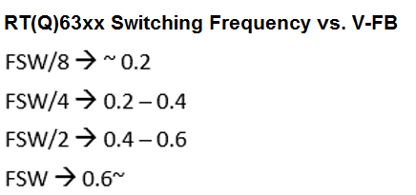
Select switching frequency
Maximum allowable switching frequency, limited by Ton_min | 0.62 | MHz
Output voltage at short circuit condition | 0.1 | V
Maximum allowable switching frequency, limited by frequency foldback function | 0.99 | MHz
Switching Frequency selection, Fsw | 0.4 | MHz
RT resistor value_calculation | 246.75 | kΩ
RT resistor value selection | 249 | kΩ
Switching Frequency at selected RT | 0.397 | MHz
Forward conduction voltage of the freewheel diode | 0.5 | V
DC resistance of inductor | 0.03 | Ω
Minimum input voltage for normal operation without pulse skipping | 5.57 | V | The device implements skip off-time function to achieve high duty approaching 100% and the maximum output voltage is near the minimum input supply voltage of the application for input voltage momentarily falls down to the normal output voltage requirement.
Maximum input voltage for normal operation without pulse skipping | 60.00 | V | The device implements pulse skip function to keep output voltage regulation when the minimum ON-time is reached.

Inductor setting
Ratio of inductor ripple current relative to the rated output current | 30 | % | A good compromise among size, efficiency, and transient response can be achieved by setting ΔIL around 10% to 50% of the IC rated output current
Inductance_calculation | 10.76 | uH | Larger inductance values result in lower output ripple voltage and higher efficiency, but degraded transient response.
Minimum Inductance requirement for D > 50% condition | 4.35 | uH | Lower inductance values allow for smaller case size, but the increased ripple lowers the effective current limit threshold and increases the AC losses in the inductor. It also causes insufficient slope compensation and ultimately loop instability when the duty cycle approaches or exceeds 50%.
Inductance selection | 10 | uH
△IL_calculation | 1.13 | A
IL_PEAK _calculation | 3.56 | A | Saturation current rating of inductor is equal to or greater than the switch current limit

Input capacitor selection
Minimum effective input capacitance | 0.54 | uF | For ceramic capacitors, the equivalent series resistance (ESR) is very low, the ripple which is caused by ESR can be ignored.
Input capacitance selection (rated value) | 6.6 | uF
Capacitance decrease change rate based on DC bias at nominal input voltage (%) | 63 | %
Capacitance decrease change rate based on DC bias at minimum input voltage (%) | 8 | %
Capacitance decrease change rate based on DC bias at maximum input voltage (%) | 71 | %
Effective input capacitance at nominal input voltage | 2.44 | uF
Effective input capacitance at minimum input voltage | 6.07 | uF
Effective input capacitance at maximum input voltage | 1.91 | uF
Input ripple at nominal input voltage and maximum load | 0.29 | V | It is recommended to keep the maximum input ripple below 1.3Vpp
Input ripple at minimum input voltage and maximum load | 0.12 | V | It is recommended to keep the maximum input ripple below 1.3Vpp
Input ripple at maximum input voltage and maximum load | 0.37 | V | It is recommended to keep the maximum input ripple below 1.3Vpp
Input capacitor RMS current at nominal input voltage and maximum load | 0.30 | A | Make sure the input capacitors current rating is sufficient to handle the input RMS current
Input capacitor RMS current at minimum input voltage and maximum load | 1.06 | A
Input capacitor RMS current at maximum input voltage and maximum load | 0.83 | A

Output capacitor selection
crossover frequency setting, % of the switching frequency | 6 | % | 0.08
crossover frequency setting | 0.0238 | MHz | In general, the crossover frequency is recommended to be 5% to 10% of switching frequency. Do NOT design the crossover frequency over 80kHz
Minimum effective output capacitance for voltage ripple (No ESR consideration) | 6.62 | uF | The minimum effective output capacitance to meet output ripple voltage requiment (No ESR consideration)
Minimum effective output capacitance to meet output voltage transient requirement | 53.53 | uF | Minimum effective output capacitance to meet output voltage sag requirement during step load changes in CCM mode
Output capacitance selection | 94.00 | uF
Capacitance decrease change rate based on DC bias (%) | 41 | %
Effective output capacitance value | 55.46 | uF
Maximum allowed ESR to meet the output ripple requirement, ESR_max | 0.044 | Ω
ESR of selected output capacitance | 0.002 | Ω
output ripple at effective output capacitance and selected ESR | 8.676 | mV
output voltage sag during load step with effective output capacitance and selected ESR | 245.302 | mV

Freewheel Diode Selection
The reverse voltage rating of freewheel diode should be equal to or greater than the VIN_MAX. The maximum average forward rectified current of freewheel diode should be equal to or greater than the maximum load current. The select forward voltage of Schottky Diode must be less than the restriction of forward voltage in below figures at operating temperature range to avoid the IC malfunction.

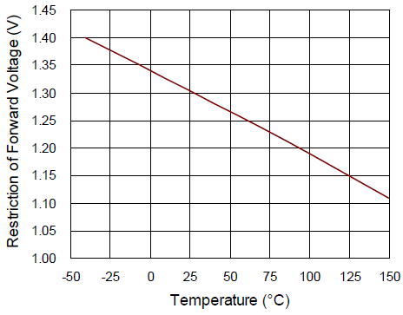
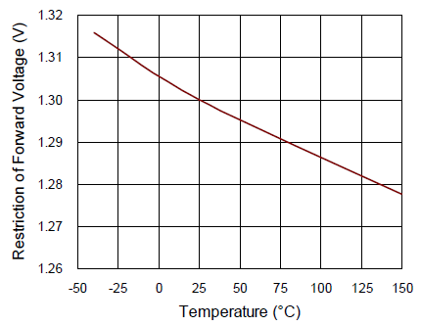

RT6360/1/2
RT6363/65

Feedback resistor selection for output voltage programming
Reference voltage | 0.80 | V
Low side feedback resistor selection | 10 | Kohm | The resistance of Low side feedback should not be larger than 80kΩ for noise immunity consideration.
High side feedback resistor_calculation | 52.50 | Kohm
High side feedback resistor selection | 52.3 | Kohm
output voltage at selected feedback resistors | 4.98 | V

Compensation Circuit design
Output capacitance selection | 94.00 | uF | The variation of the capacitance value with temperature, DC bias voltage and switching frequency needs to be taken into consideration.
Capacitance decrease change rate based on DC bias (%) | 41.00 | %
Effective output capacitance value | 55.46 | uF
Rcomp_calculation | 9.78 | Kohm
Rcomp selection | 10 | Kohm
RL | 1.67 | ohm
Ccomp_calculation | 9.24 | nF
Ccomp selection | 8.2 | nF

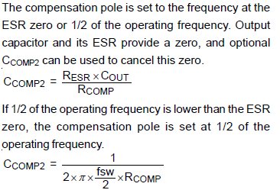
Ccomp2 (Option when using E-cap with high ESR)
ESR of selected output capacitance | 0.002 | Ω
Ccomp2_calculation | 0.011 | nF
Ccomp2 selection | 1 | nF
Ccomp2 (Option when using MLCC output cap and enhance noise immunity)
Ccomp2_calculation | 80.30 | pF | The actual external Ccomp2 value can be lower than the calculated value as the IC internally already includes some COMP-GND capacitance:
Ccomp2 selection | 68 | pF | RT(Q)6360/61: 5.7pF; RT(Q)6362: 18pF; RT(Q)6363/65: 26pF; you can substract these values from the calculated Ccomp2 value

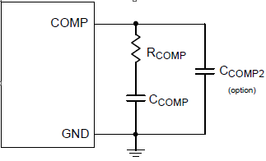
List of Compensation Network components
Rcomp selection | 10.00 | Kohm
Ccomp selection | 8.20 | nF
Ccomp2 selection (Option by using E-cap with high ESR) | 1.00 | nF
Ccomp2 selection (Option to enhance noise immunity) | 68.00 | pF

Bootstrap Driver Supply
Dnom, nominal duty cycle | 10.42 | %
Dmin, minimum duty cycle | 8.33 | %
Dmax, maximum duty cycle | 50.00 | %
Please add an external bootstrap diode between an external 5V voltage supply and the BOOT pin to improve enhancement of the high-side MOSFET and improve efficiency when the input voltage is below 5.5V or duty ratio is higher than 65%.

The bootstrap diode can be a fast small signal diode with voltage rating of Vin_max, such as 1N4148.
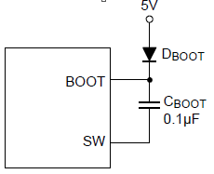

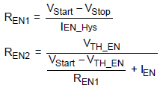
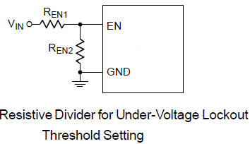
EN Pin for Start-Up and UVLO Adjustment
VIN UVLO resistor REN1 | 588.24 | Kohm
VIN UVLO resistor REN1 selection | 576 | Kohm
VIN UVLO resistor REN2 | 92.27 | Kohm
VIN UVLO resistor REN2 selection | 91 | Kohm
Start-up input voltage | 8.10 | V
Shut-down input voltage | 6.15 | V

Soft start time
Desired Soft start time | 3 | ms
Minimum Css limited by effective output capacitance at no load. | 0.148 | nF
CSS/TR calculation | 7.97 | nF
CSS/TR selection | 10 | nF | CSS/TR should be large enough to ensure soft-start period ends after COUT is fully charged.
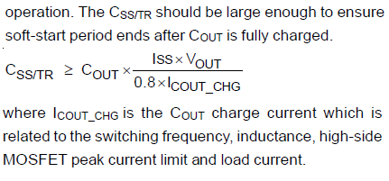
Soft start time | 3.76 | ms

PS: Only the RT(Q)636xGQW (DFN package) provides adjustable soft-start function.
Power-Good Output
It is recommended to use pull-up resistance between the values of 1 and 10kΩ to reduce the switching noise coupling to PGOOD pin.

PS: Only the RT(Q)636xGQW (DFN package) features a Power-Good Output.

Feed-forward capacitor:
Adding a feed-forward capacitor in parallel with high-side feedback resistor can help reduce the PSM ripple in light load
a

RT(Q)634x_design tool
RT(Q)634x
The RT634x series are high-efficiency, peak current mode control asynchronous step-down converter which operates with input voltages from 4V to 45V.

Please select the part number | RT(Q)6345 |  | RT(Q)6340: 0.5A RT(Q)6341: 1.5A RT(Q)6342: 2.5A RT(Q)6343: 3.5A RT(Q)6345: 5A

Power supply design requirements
Nominal input voltage, Vin_nominal | 24 | V
Maximum input voltage, Vin_max | 42 | V | maximum input voltage needs to be smaller than the device maximum voltage
Minimum input voltage, Vin_min | 9 | V | minimum input voltage needs to be greater than the device minimum voltage
Output voltage, Vout | 3.3 | V
Nominal output current, Iout | 5 | A
Desired startup input voltage (enable start-up level) | 8 | V
Desired shut-down input voltage (enable shut-down level) | 6 | V
peak-to-peak output ripple (%) | 1 | %
peak-to-peak output ripple,ΔVOUT | 0.03 | V
maximum output current during load step | 5 | A
minimum output current during load step | 3 | A
allowed voltage change during load step (%) | 5 | %
allowed voltage change during load step VSAG | 0.17 | V

Select switching frequency
Maximum allowable switching frequency, limited by Ton_min | 0.58 | MHz
Output voltage at short circuit condition | 0.1 | V
Maximum allowable switching frequency, limited by frequency foldback function | 1.41 | MHz
Switching Frequency selection, Fsw | 0.3 | MHz
RT resistor value_calculation | 332.14 | kΩ
RT resistor value selection | 332 | kΩ
Switching Frequency at selected RT | 0.300 | MHz
Forward conduction voltage of the freewheel diode | 0.5 | V
DC resistance of inductor | 0.03 | Ω
Minimum input voltage for normal operation without pulse skipping | 3.70 | V | The device implements skip off-time function to achieve high duty approaching 100% and the maximum output voltage is near the minimum input supply voltage of the application for input voltage momentarily falls down to the normal output voltage requirement.
Maximum input voltage for normal operation without pulse skipping | 42.00 | V | The device implements pulse skip function to keep output voltage regulation when the minimum ON-time is reached.

Inductor setting
Ratio of inductor ripple current relative to the rated output current | 30 | % | A good compromise among size, efficiency, and transient response can be achieved by setting ΔIL around 10% to 50% of the IC rated output current
Inductance_calculation | 6.32 | uH | Larger inductance values result in lower output ripple voltage and higher efficiency, but degraded transient response.
Minimum Inductance requirement for D > 50% condition | 2.75 | uH | Lower inductance values allow for smaller case size, but the increased ripple lowers the effective current limit threshold and increases the AC losses in the inductor. It also causes insufficient slope compensation and ultimately loop instability when the duty cycle approaches or exceeds 50%.
Inductance selection | 2.2 | uH
△IL_calculation | 4.31 | A
IL_PEAK _calculation | 7.15 | A | Saturation current rating of inductor is equal to or greater than the switch current limit

Input capacitor selection
Minimum effective input capacitance | 1.52 | uF | For ceramic capacitors, the equivalent series resistance (ESR) is very low, the ripple which is caused by ESR can be ignored.
Input capacitance selection (rated value) | 8.8 | uF
Capacitance decrease change rate based on DC bias at nominal input voltage (%) | 30 | %
Capacitance decrease change rate based on DC bias at minimum input voltage (%) | 4 | %
Capacitance decrease change rate based on DC bias at maximum input voltage (%) | 58 | %
Effective input capacitance at nominal input voltage | 6.16 | uF
Effective input capacitance at minimum input voltage | 8.45 | uF
Effective input capacitance at maximum input voltage | 3.70 | uF
Input ripple at nominal input voltage and maximum load | 0.32 | V | It is recommended to keep the maximum input ripple below 1.3Vpp
Input ripple at minimum input voltage and maximum load | 0.23 | V | It is recommended to keep the maximum input ripple below 1.3Vpp
Input ripple at maximum input voltage and maximum load | 0.53 | V | It is recommended to keep the maximum input ripple below 1.3Vpp
Input capacitor RMS current at nominal input voltage and maximum load | 0.64 | A | Make sure the input capacitors current rating is sufficient to handle the input RMS current
Input capacitor RMS current at minimum input voltage and maximum load | 1.46 | A
Input capacitor RMS current at maximum input voltage and maximum load | 1.35 | A

Output capacitor selection
crossover frequency setting, % of the switching frequency | 5 | % | 0.08
crossover frequency setting | 0.0150 | MHz | In general, the crossover frequency is recommended to be 5% to 10% of switching frequency. Do NOT design the crossover frequency over 80kHz
Minimum effective output capacitance for voltage ripple (No ESR consideration) | 18.93 | uF | The minimum effective output capacitance to meet output ripple voltage requiment (No ESR consideration)
Minimum effective output capacitance to meet output voltage transient requirement | 128.58 | uF | Minimum effective output capacitance to meet output voltage sag requirement during step load changes in CCM mode
Output capacitance selection | 141.00 | uF
Capacitance decrease change rate based on DC bias (%) | 26 | %
Effective output capacitance value | 104.34 | uF
Maximum allowed ESR to meet the output ripple requirement, ESR_max | 0.008 | Ω
ESR of selected output capacitance | 0.002 | Ω
output ripple at effective output capacitance and selected ESR | 25.815 | mV
output voltage sag during load step with effective output capacitance and selected ESR | 207.335 | mV

Freewheel Diode Selection
The reverse voltage rating of freewheel diode should be equal to or greater than the VIN_MAX. The maximum average forward rectified current of freewheel diode should be equal to or greater than the maximum load current. The select forward voltage of Schottky Diode must be less than the restriction of forward voltage in below figures at operating temperature range to avoid the IC malfunction.

RT6340/1/2
RT6343/45

Feedback resistor selection for output voltage programming
Reference voltage | 0.80 | V
Low side feedback resistor selection | 10 | Kohm | The resistance of Low side feedback should not be larger than 80kΩ for noise immunity consideration.
High side feedback resistor_calculation | 31.25 | Kohm
High side feedback resistor selection | 31.6 | Kohm
output voltage at selected feedback resistors | 3.33 | V

Compensation Circuit design
Output capacitance selection | 141.00 | uF | The variation of the capacitance value with temperature, DC bias voltage and switching frequency needs to be taken into consideration.
Capacitance decrease change rate based on DC bias (%) | 26.00 | %
Effective output capacitance value | 104.34 | uF
Rcomp_calculation | 5.47 | Kohm
Rcomp selection | 6.8 | Kohm
RL | 0.66 | ohm
Ccomp_calculation | 10.13 | nF
Ccomp selection | 10 | nF

Ccomp2 (Option when using E-cap with high ESR)
ESR of selected output capacitance | 0.002 | Ω
Ccomp2_calculation | 0.031 | nF
Ccomp2 selection |  | nF
Ccomp2 (Option when using MLCC output cap and enhance noise immunity)
Ccomp2_calculation | 156.00 | pF | The actual external Ccomp2 value can be lower than the calculated value as the IC internally already includes some COMP-GND capacitance:
Ccomp2 selection | 100 | pF | RT(Q)6340/41: 5.7pF; RT(Q)6342: 18pF; RT(Q)6343/45: 26pF; you can substract these values from the calculated Ccomp2 value

List of Compensation Network components
Rcomp selection | 6.80 | Kohm
Ccomp selection | 10.00 | nF
Ccomp2 selection (Option by using E-cap with high ESR) | 0.00 | nF
Ccomp2 selection (Option to enhance noise immunity) | 100.00 | pF

Bootstrap Driver Supply
Dnom, nominal duty cycle | 13.75 | %
Dmin, minimum duty cycle | 7.86 | %
Dmax, maximum duty cycle | 36.67 | %
Please add an external bootstrap diode between an external 5V voltage supply and the BOOT pin to improve enhancement of the high-side MOSFET and improve efficiency when the input voltage is below 5.5V or duty ratio is higher than 65%.

The bootstrap diode can be a fast small signal diode with voltage rating of Vin_max, such as 1N4148.

EN Pin for Start-Up and UVLO Adjustment
VIN UVLO resistor REN1 | 588.24 | Kohm
VIN UVLO resistor REN1 selection | 590 | Kohm
VIN UVLO resistor REN2 | 94.30 | Kohm
VIN UVLO resistor REN2 selection | 93.1 | Kohm
Start-up input voltage | 8.10 | V
Shut-down input voltage | 6.09 | V

Soft start time
Desired Soft start time | 3 | ms
Minimum Css limited by effective output capacitance at no load. | 0.199 | nF
CSS/TR calculation | 7.97 | nF
CSS/TR selection | 10 | nF | CSS/TR should be large enough to ensure soft-start period ends after COUT is fully charged.
Soft start time | 3.76 | ms

PS: Only the RT(Q)634xGQW (DFN package) provides adjustable soft-start function.
Power-Good Output
It is recommended to use pull-up resistance between the values of 1 and 10kΩ to reduce the switching noise coupling to PGOOD pin.

PS: Only the RT(Q)634xGQW (DFN package) features a Power-Good Output.

Feed-forward capacitor:
Adding a feed-forward capacitor in parallel with high-side feedback resistor can help reduce the PSM ripple in light load
a

